1. Title Page
Instacart Customer Analysis

Project Name: Instacart Customer Analysis
Date: 6/5/2023
Analyst Name: Jonel Celestino

Contents:
Population Flow
Consistency checks
Wrangling steps
Column derivations
Visualizations
Recommendations

Data Source: “The Instacart Online Grocery Shopping Dataset 2017”, Accessed from www.instacart.com/datasets/grocery-shopping-2017 via Kaggle on 6/5/2023

2. Population Flow
Title page

Population flow

Exclusion flag
Condition: max_order < 5
Obervations to be removed: 1,360,000
Final total count of order_products_all: 29,298,154

Orders_products_combined
Orders_products_merged
Orders_products_all

Total: 32,640,698
Total: 32,435,070
Total: 32,435,070

1.) The grey boxes in the first row of the population flow represent the original data sets as they were when you downloaded them. In the Total fields you need to add the count of the rows when you imported the data set into Jupyter.
2.) The second row of boxes (coloured) represents the data sets after you manipulated them, e.g., removed missing values and duplicates. In the Total fields you need to add the count of the rows after conducting these operations. This offers a visual oveview of how the data flows throughout the data consistency checks.
3.) The third row, where also the arrows are coloured, represents the merges you performed between the datasets. In the Total fields you need to add the count of the rows in the merged datasets, so that you end up with the final dataset (in the red box). Keep in mind the final dataset should be without exclusions (based on the exclusion flag).

3. Consistency checks
 |  |  |  | Title page
Consistency checks

Dataset | Missing values | Missing values treatment | Duplicates
orders | 206,209 missing from "days_since_prior_order" | Imputed for the missing values. | None
products | 16 missing from "product_name" | Dropped the 16 missing values. | 5 duplicates were found and dropped.
products | Not missing but some prices were unreasonably high ( items priced at $14,900 or $99,999). | Replaced 5,127 high price items as missing. | None
orders_products_prior | None | None | None
customers | None | None | None

4. Wrangling steps
 |  |  |  | Title page
Wrangling steps

Columns dropped | Columns renamed | Columns' type changed | Comment/Reason
"eval_set" from df_ords |  |  | Unnecessary / not needed
 | "order_dow" to "orders_day_of_week |  | For further clarification to prevent confusion
 |  | "order_id" to string/object | Changed from numbers to string to optomize calcuations for describe function
 |  | "user_id" to string/object | Changed from numbers to string to optomize calcuations for describe function
 | "order_hour_of_day" to "order_time" |  | Shortened the name to make it simpler
"Gender" |  |  | Unnecessary / not needed
"data_joined' |  |  | Unnecessary / not needed
"fam_status" |  |  | Unnecessary / not needed
 | "First Name" to "first_name" |  | To keep all formatting consistent and uniform
 | "Surnam" to "last_name" |  | To keep all formatting consistent and uniform
 | "STATE" to "state" |  | To keep all formatting consistent and uniform
 | "Age" to "age" |  | To keep all formatting consistent and uniform
"first_name" |  |  | Removed for PII Data reasons
"last_name" |  |  | Removed for PII Data reasons

5. Column derivations
 |  |  |  |  | Title page

Column derivations and aggregations

In this tab you should add tables below that the frequences of flags/label variables that you produced after deriving them. NB: don't do this for continuous variables, only for flags.
Dataset | New column | Column/s it was derived from | Conditions | Frequency of Flags / Label
orders_products_merged.pkl | price_range_loc | prices | Price is <= 5, Low-range product | 10,126,324
 |  |  | Price is <= 15 & > 5, Mid-range product | 21,860,868
 |  |  | Price is > 15, High-range product | 417,678
orders_products_merged.pkl | busiest_day | orders_day_of_week | If day == 0 (Sat.), Busiest day | 6,209,808
 |  |  | If day == 4 (Wed.), Least busy | 3,787,263
 |  |  | Else, Regularly busy | 2,437,999
orders_products_merged.pkl | busiest_days | orders_day_of_week | If day == 0 or 1, Busiest days | 11,875,759
 |  |  | If day == 4 or 3, Slowest days | 7,631,438
 |  |  | Else, Regularly busy | 12,927,873
orders_products_merged.pkl | busiest_period_of_day | order_time | If order_time hour == 9 - 16, Most orders | 21,137,805
 |  |  | If order_time hour == 7 or 8 or 17 - 22, Average orders | 100,006,995
 |  |  | Else, Fewest orders | 1,290,270
orders_products_merged_UPDATED.pkl | max_order | user_id & order_number | Aggregating with transform() to find customers' max order

orders_products_merged_UPDATED.pkl | loyalty_flag | max_order | If max_order > 40, Loyal Customer | 10,294,027
 |  |  | If max_order <= 40 & > 10, Regular Customer | 15,891,507
 |  |  | If max_order <= 10, New Customer | 6,249,525
ords_prods_merge_NEW.pkl | avg_price_spent | user_id & prices | Find the mean of the prices each user spends
ords_prods_merge_NEW.pkl | spending_flag | avg_price_spent | If avg_price_spent < 10, Low spender | 31,800,509
 |  |  | If avg_price_spent >= 10, High spender | 634,550
ords_prods_merge_NEW.pkl | median_since_prior_orders | user_id & days_since_prior_order | Find the median since prior order
ords_prods_merge_NEW.pkl | order_frequency_flag | median_since_prior_orders | If median_since_prior_order is > 20, Non-frequent customer | 2,703,568
 |  |  | If median_since_prior_order is > 10 & <= 20, Regular customer | 9,161,993
 |  |  | If median_since_prior_order is <=10, Frequent customer | 20,569,498
ords_prods_cust.pkl | region | state | Grouped states to different regions according to a Wikipedia link provided. Regions are: South, West, Midwest, Northeast. | South: 10,208,462
 |  |  |  | West: 7,839,106
 |  |  |  | Midwest: 7,183,231
 |  |  |  | Northeast: 5,427,355
ords_prods_cust.pkl | income_group | income | If income <= 50,000, income_group is "0-50k" | 3,172,224
 |  |  | If income > 50,000 & <= 100,000, income_group is "50k-100k" | 12,678,554
 |  |  | If income > 100,000, income_group is "100k+" | 13,447,376

6. Visualizations
 |  |  |  | Title page

Visualisations

In this tab you should include all the visualtions from Exercises 4.9 and 4.10, alongside the questions from the project brief that they answer. Include any commentary on the relationship between different variables.

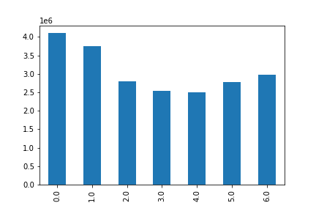
Q: What are the busiest days of the week?
 |  |  | Bar Chart showcasing how many orders are completed for each day of the week. Days: 0: Saturday 1: Sunday 2: Monday 3: Tuesday 4: Wednesday 5: Thursday 6: Friday As seen here, Day 0 (Saturday) and Day 1 (Sunday) have the most orders. Day 4 (Wednesday) has the least amount of orders.

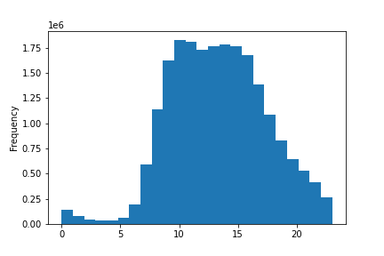
Q: What are the busiest hours of the day?

 |  |  | Histogram showcasing how many orders are completed for each hour of the day. As seen here, 10 AM is the busiest hour of the day. From 10 AM to 4 PM, the amount of orders are steady. 5PM until 11 PM, orders gradually decreases as the day ends.

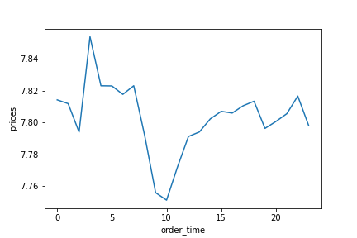
Q: Which time of day do customers spend the most?

 |  |  | Line graph showcasing how much customers spend on average during each hour of the day. There is a spike in the amount spent early in the morning at 4 AM. There is also a dip in spending during the peak hour of the day at 10 AM. However, if we look at the bigger picture, there really isn't much of a difference on how much customers spend during the day because there is only about a $0.20 difference between the most customers spend and the least amount customers spend (according to this line graph).

Q: What's the distribution among users in regards to their brand loyalty?
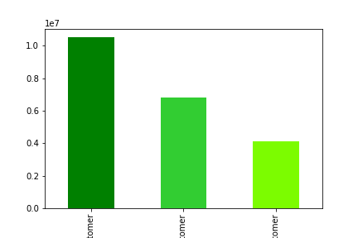
 |  |  | Bar Chart showcasing the distribution among the 3 groups of customers. Dark Green: Regular Customers Green: Loyal Customers Lime Green: New Customers Most of instacarts customers are Regular Customers, followed by Loyal Customers in second.

Information Learned From Different Classifications

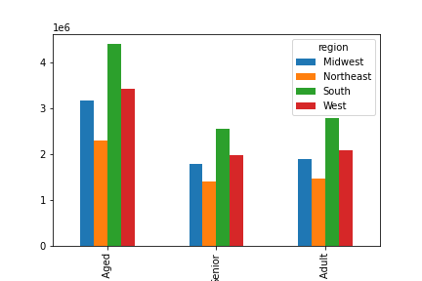
 | AGE GROUPS

 |  | AGE GROUPS AND REGION As we can see from this bar graph, the most common age group that make up Instacart's customer base are Middle-Aged customers. Senior and Young Adult groups are nearly identical, but the Middle-Aged group is much bigger. In addition to that, most of the customers for all groups come from the South region, followed by West and Midwest for second and third place.

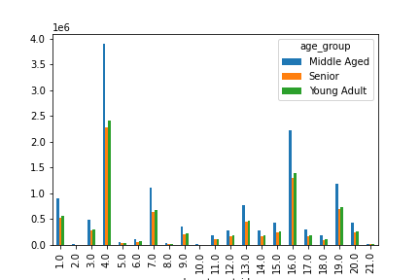

 |  | AGE GROUPS AND DEPARTMENTS This bar graph shows us which department each age group typically shop from. The most noticeable information is that Dept. 4 (produce) is the most shopped department, followed by Dept. 16 (dairy, eggs). As we can see once again, Middle Aged group shops the most out of all the groups

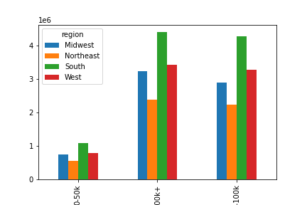
 | INCOME GROUP

 |  | INCOME GROUPS AND REGIONS We can learn from this bar graph that the $0-$50k income groups make up significantly less than the other two groups of Instacart's customer base. But we also learn that both $100K+ and the $50k-$100k groups are just about equal in their make up of Instacart's customer base.

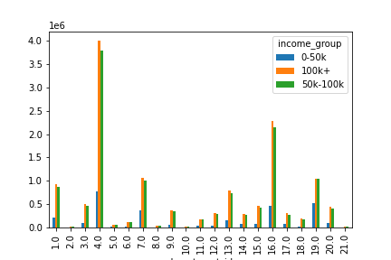

 |  | INCOME GROUPS AND DEPARTMENTS Again, we see that Dept. 4 (produce) is the most commonly shopped department for all 3 income groups. However, it's important to notice how much the other 2 groups engulf 0-50k's bar. This could be attributed to the fact that eating a healthier diet may be costlier, which leads to the other groups being able to afford that lifestyle.

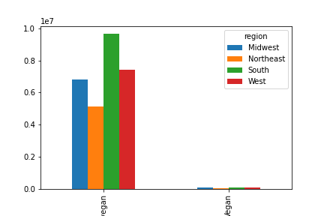
 | VEGAN / NON-VEGAN

 |  | VEGANS / NON-VEGANS AND REGION As expected majority of Instacart's customers are non-vegans. Majority of these customers come from the South region, followed by West, then Midwest at a close third place, and lastly the Northeast region.

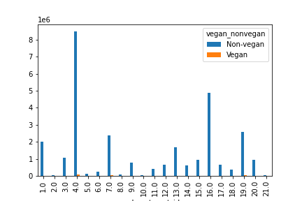

 |  | VEGANS / NON-VEGANS AND DEPARTMENTS The most shopped departments for both vegans and non-vegans is the produce section. As expected, vegans primarily eat a diet rich of fruits and vegetables so it's not surprising to see that this is their primary department to shop from. The next two departments that vegans shop at are beverages and snacks. For non-vegans, their top 3 are produce, dairy/eggs, and snacks.

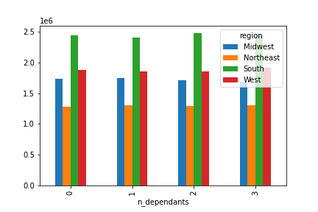
 | NUMBER OF DEPENDANTS

 |  | NUMBER OF DEPENDANTS AND REGION It's surprising to see that the distribution of number of dependents for each region is very similar to one another. All regions have South as their leader in their respective number of dependants, and all of them have Northeast as their fewest region with their respective number of dependants.

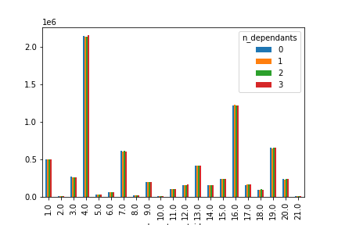

 |  | NUMBER OF DEPENDANTS AND DEPARTMENTS As the other bar charts showed, produce is the leading department for customers with 0, 1, 2, or 3 dependants. Second is dairy/eggs and third is snacks, followed by a very close fourth department, beverages.

7. Recommendations
 |  |  |  |  |  |  | Title page

Recommendations

In this tab you should include any recommendations you would made to Instcart in terms of their marketing strategy based on the questions posed in the brief. Every key question has been covered in the Tasks of the Exercises - here you need to add an item - a visualisation or table/crosstable that is showing the answer in the data, acompanied by a comment from you. Please, list the questions below and add the answer underneath.

QUESTION: Busiest days of the week and busiest hours of the day?

 | As mentioned in the Visualizations tab, the busiest days of the week are Saturday (day 0) and Sunday (day1). The slowest days are Wednesday (day 4) and Tuesday (day 3).
 | The busiest hours of the day is 10 AM. During 10 AM until 4 PM. During these hours, the flow of customers is pretty consistent. The day starts slow with a gradual increase from 5 AM - 9 AM. Then the day winds down with a gradual decline from 5 PM until Midnight.

 | DAYS OF THE WEEK |  |  |  |  | HOURS OF THE DAY

QUESTION: When do customers spend the most money during the day?

 | From this line graph, 3 AM is when customers spend the most on average. 10 AM is when customers spend the least on average. However, considering the larger picture, the highest amount and the lowest amount spent on average by customers are only about $0.20 apart. This means that customers spend about the same amount during the whole day.

QUESTION: Using simpler price range groupings.

 | Conditions | Frequency of Flags / Label | Please see Row 1 from the table in Tab 5: Column derivations for the full table. Below is a shortened version of it.
 | Price is <= 5, Low-range product | 10,126,324 | As you can see from the table, we divided the prices into 3 range groups. Low-range products are those priced at $5 and below. Mid-range products are priced between $6 - $15. High-range products are priced at $16+.
 | Price is <= 15 & > 5, Mid-range product | 21,860,868
 | Price is > 15, High-range product | 417,678

QUESTION: Which departments have the highest frequency of product orders?

 | Seen from these bar graphs from the previous tab, all groups (age, income, diet, and number of dependants) show that department 4 (produce) is the most popular department. Second most popular is department 16 (dairy/eggs). This is true for all groups except for vegans, as they don't eat dairy/eggs. Third most popular is a close tie between department 19 (snacks) and 7 (beverages).

QUESTION: Distribution among users in regards to brand loyalty.

 |  |  |  | As mentioned in previous tab, majority of customers are Regular Customers (dark green). Second are the Loyal Customers (green). Lastly, New Customers (lime green).

QUESTION: Differences in ordering habits based on customer's region?

 | As seen from these bar graphs, the South region leads all categories. Regardless of age group, income group, vegan/non-vegan, or the number of dependants a customer has, all categories are led by the South region. West and Midwest are close to one another, but West is leading for second place. And lastly, Northeast region is last for all categories.

 |  | Age Groups |  |  | Income Groups

 |  | Vegan / Non-Vegan |  |  | # of Dependants

QUESTION: Is there a connection between age and family status?

 | There isn't much of a connection between a customer's age and how many dependants they have. As seen on the line graph below, there is no clear trend as the line graph is all over the place. This leads me to believe that a customer's age cannot tell us what their family status / how many dependants they may have.

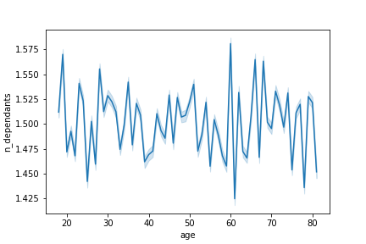

QUESTION: Any different classifications the demographic information suggest?

 | For the Vegan and Non-Vegan classification, I believe we should include Vegetarians in the classifications because the graphs shown for Vegans and Non-Vegans are very drastic in terms of there being a significantly a lot more Non-Vegan customers compared to Vegan customers. I believe that adding a Vegetarian group would decrease the size of the Non-Vegan group to potentially make it a bit more balanced between the 2 groups.

 | These graphs below show how much more Non-Vegan customers there are compared to Vegan customers.

QUESTION: Differences in ordering habits of different customer profiles?

 | Overall, I don't think there is a significant difference in ordering habits for all customer groups. All groups share the same top department that they shop at, which is department 4 (produce). The one group that may have a slightly different ordering habit would be Vegans considering that they don't order meat/seafood and dairy/eggs unlike the other groups that do.

